Sheet1
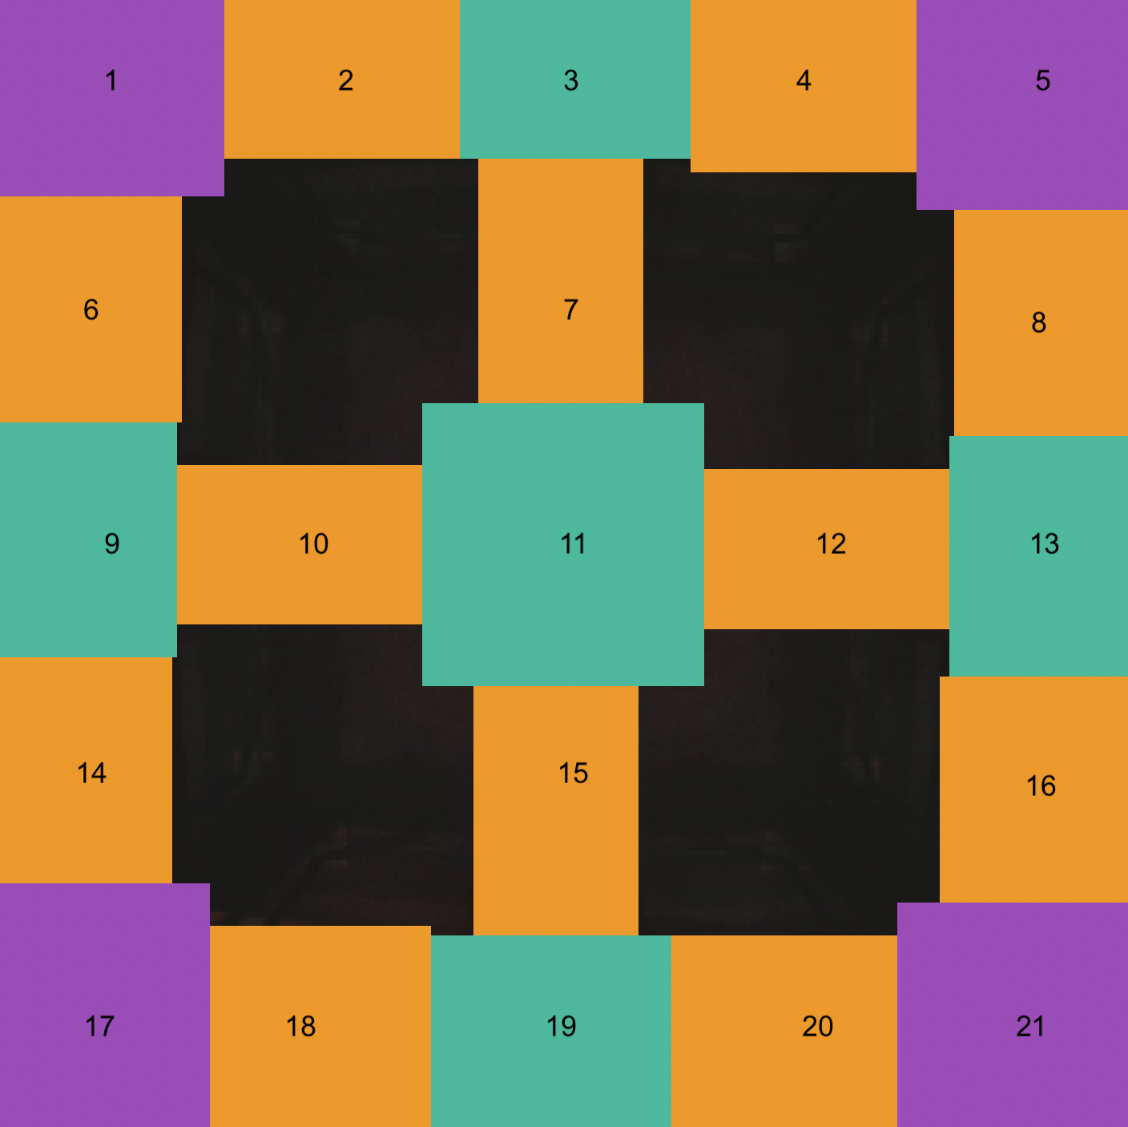
Mask Cordinates for Barriers (240px X 240px) |  |  |  | Zone Type | Zone | Zone Cordinates for Reward |  |  |  | Note: in display this rotated 90 degrees counter clockwise
Top Right Corner (x, y) |  | Bottom Right Corner (x, y) |  |  |  | Top Right Corner (x,y) |  | Bottom Right Corner (x,y)
West Inter |  |  |  | SW Reward | 1 | 0 | 0 | 47 | 48
96 | 0 | 100 | 28 | W Segment | 2 | 47 | 0 | 96 | 45
119 | 11 | 121 | 14 | W Intersection | 3 | 100 | 0 | 140 | 37
140 | 0 | 145 | 27 | W Segment | 4 | 145 | 0 | 194 | 45
110 | 20 | 130 | 38 | NW Reward | 5 | 194 | 0 | 240 | 46
North Inter |  |  |  | S Segment | 6 | 0 | 48 | 45 | 97
214 | 94 | 240 | 100 | Mid W Segment | 7 | 100 | 38 | 140 | 91
228 | 119 | 230 | 121 | N Segment | 8 | 195 | 46 | 240 | 94
214 | 140 | 240 | 145 | S Intersection | 9 | 0 | 102 | 38 | 141
204 | 110 | 222 | 130 | Mid S Segment | 10 | 39 | 102 | 91 | 141
East Inter |  |  |  | Mid Intesection | 11 | 99 | 99 | 143 | 142
95 | 214 | 101 | 240 | Mid N Segment | 12 | 151 | 100 | 204 | 140
120 | 227 | 122 | 230 | N Intersection | 13 | 205 | 100 | 240 | 140
141 | 214 | 146 | 240 | S Segment | 14 | 0 | 146 | 44 | 195
111 | 203 | 131 | 222 | Mid E Segment | 15 | 101 | 151 | 141 | 203
South Inter |  |  |  | N Segment | 16 | 195 | 145 | 240 | 194
0 | 97 | 28 | 102 | SE Reward | 17 | 0 | 195 | 48 | 240
11 | 120 | 15 | 123 | E Segment | 18 | 48 | 202 | 95 | 240
0 | 141 | 28 | 146 | E Intersection | 19 | 101 | 204 | 141 | 240
20 | 111 | 39 | 131 | E Segment | 20 | 146 | 201 | 195 | 240
Center |  |  |  | NE Reward | 21 | 195 | 194 | 240 | 240
109 | 91 | 132 | 99
143 | 109 | 151 | 132
110 | 142 | 132 | 151
91 | 110 | 99 | 132

